Лист1
Task question: Please write 1-2 test cases for this form.

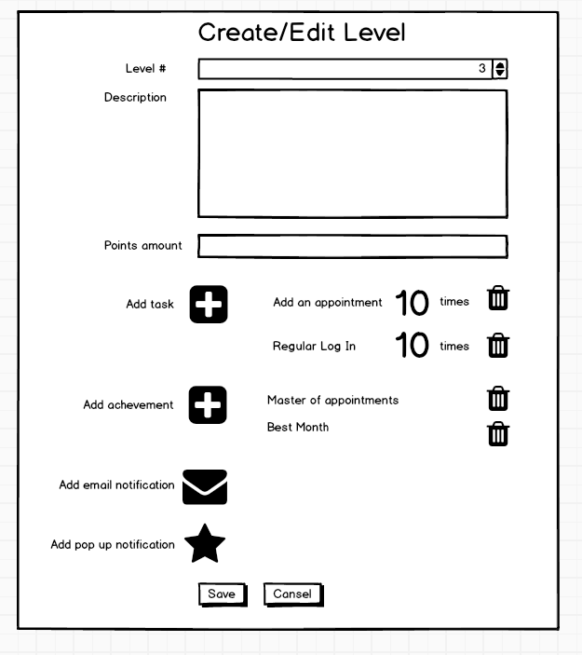

Answers:
I. Cheking field "Level #"
№ | Steps | Expected Result | Comment
1 | Сlick once on the up arrow | Сounter will increase by 1
2 | Click once on the down arrow | Counter will decrease by 1
3 | Click the up arrow a few times | Сounter will increase by a few units.
4 | Click the down arrow a few times | Сounter will decrease by a few units.
5 | Change counter value to 1 and click down arrow | Counter will remain at 1
6 | Change counter value to MAX and click up arrow | Counter will remain at MAX

II. Cheking field "Description" |  |  | After each step, click on a free space on the page to close the input field, before each step, delete text in the field
№ | Steps | Expected Result | Comment
1 | Click on field | Input field will open
2 | Enter letters | Text will be entered in the field
3 | Enter numbers
4 | Enter specials
5 | Enter only spaces | Spaces will be removed when the input field is closed
6 | Enter <script>alert(«Test script»)</script> | Text will be entered in the field, script won't work
7 | Enter the maximum number of characters in the field | Text will be entered in the field, limit warning will appear
8 | Enter the maximum number of characters + 1 | After the character limit, a warning will appear, further input will be impossible
9 | Enter the maximum number of characters - 1 | Text will be entered in the field
10 | Paste text from the clipboard that exceeds the character limit | Text in the field will be reduced to the character limit
11 | Don't enter anything in the field | Input field will close

